dataset desc and plan
customers_dataset | đây là bảng danh mục khách hàng | order_reviews |  | sellers | đây là bảng danh mục
customer_id | nvarchar | review_id | nvarchar | seller_id | nvarchar
customer_unique_id | nvarchar | order_id | nvarchar | seller_zip_code_prefix | int
customer_zip_code_prefix | int | review_score | tinyint | seller_city | nvarchar
customer_city | nvarchar | review_comment_title | nvarchar | seller_state | nvarchar
customer_state | nvarchar | review_comment_message | nvarchar
 |  | review_creation_date | datetime2 | product_translation
geolocation_dataset |  | review_answer_timestamp | datetime2
geolocation_zip_code_prefix | nvarchar
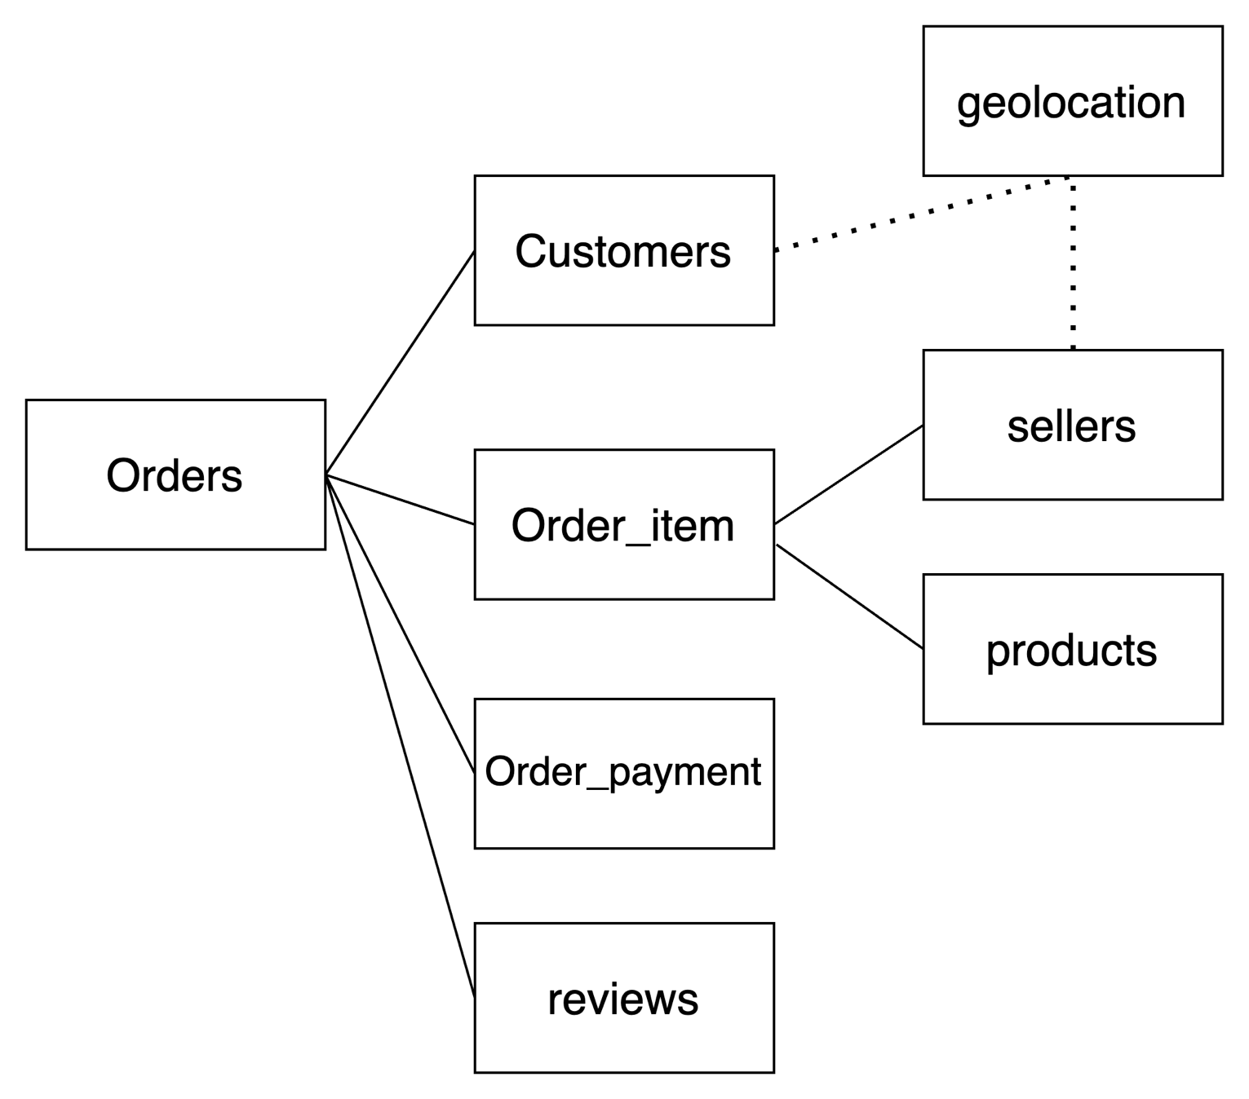
geolocation_lat | float
geolocation_lng | float | orders
geolocation_city | nvarchar | order_id | nvarchar
geolocation_state | nvarchar | customer_id | nvarchar
 |  | order_status | nvarchar
 |  | order_purchase_timestamp | datetime2
order_items_dataset | đang thấy khá nhiều key (id ở đây) | order_approved_at | datetime2
order_id | nvarchar | order_delivered_carrier_date | datetime2
order_item_id | smallint | order_delivered_customer_date | datetime2
product_id | nvarchar | order_estimated_delivery_date | datetime2
seller_id | nvarchar
shipping_limit_date | datetime2
price | float | products | Đây là bảng danh mục
freight_value | float | product_id | nvarchar
 |  | product_category_name | nvarchar
order_payment |  | product_name_lenght | tinyint
order_id | nvarchar | product_description_lenght | smallint
payment_sequential | tinyint | product_photos_qty | tinyint
payment_type | nvarchar | product_weight_g | nvarchar
payment_installments | tinyint | product_length_cm | smallint
payment_value | float | product_height_cm | smallint
 |  | product_width_cm | smallint

List of temp table
for metrics | table name
customer engagement | #olist_customers_date
service quality | #olist_service_quality
preference | #olist_preference_product_payment
service quality | #olist_service_quality_review
preference | olist_preference_location

num of cust
Number of customers by month
year | month | year-month | num_customers | next_num_customers | growth_ratio | gr
2016 | 9 | 2016-9 | 4 | 324 | 8000% | 8000%
2016 | 10 | 2016-10 | 324 | 1 | -100% | -100%
2016 | 12 | 2016-12 | 1 | 800 | 79900% | 79900%
2017 | 1 | 2017-1 | 800 | 1780 | 120.0% | 123%
2017 | 2 | 2017-2 | 1780 | 2682 | 50.0% | 51%
2017 | 3 | 2017-3 | 2682 | 2404 | -10.0% | -10%
2017 | 4 | 2017-4 | 2404 | 3700 | 50.0% | 54%
2017 | 5 | 2017-5 | 3700 | 3245 | -10.0% | -12%
2017 | 6 | 2017-6 | 3245 | 4026 | 20.0% | 24%
2017 | 7 | 2017-7 | 4026 | 4331 | 10.0% | 8%
2017 | 8 | 2017-8 | 4331 | 4285 | 0.0% | -1%
2017 | 9 | 2017-9 | 4285 | 4631 | 10.0% | 8%
2017 | 10 | 2017-10 | 4631 | 7544 | 60.0% | 63%
2017 | 11 | 2017-11 | 7544 | 5673 | -20.0% | -25%
2017 | 12 | 2017-12 | 5673 | 7269 | 30.0% | 28%
2018 | 1 | 2018-1 | 7269 | 6728 | -10.0% | -7%
2018 | 2 | 2018-2 | 6728 | 7211 | 10.0% | 7%
2018 | 3 | 2018-3 | 7211 | 6939 | 0.0% | -4%
2018 | 4 | 2018-4 | 6939 | 6873 | 0.0% | -1%
2018 | 5 | 2018-5 | 6873 | 6167 | -10.0% | -10%
2018 | 6 | 2018-6 | 6167 | 6292 | 0.0% | 2%
2018 | 7 | 2018-7 | 6292 | 6512 | 0.0% | 3%
2018 | 8 | 2018-8 | 6512 | 16 | -100% | -100%
2018 | 9 | 2018-9 | 16 | 4 | -80% | -75%
2018 | 10 | 2018-10 | 4 | 0 | -100% | -100%

value
year | month | year-month | total_value | value_growth_ratio | number of customers
2016 | 9 | 2016-9 | 252.2 | 233.3 | 4
2016 | 10 | 2016-10 | 59090.5 | -1 | 324
2016 | 12 | 2016-12 | 19.6 | 7064.7 | 1
2017 | 1 | 2017-1 | 138488 | 110% | 800
2017 | 2 | 2017-2 | 291908 | 50% | 1780
Total value by month
2017 | 3 | 2017-3 | 449863.6 | -10% | 2682
2017 | 4 | 2017-4 | 417788 | 40% | 2404
2017 | 5 | 2017-5 | 592918.8 | -10% | 3700
2017 | 6 | 2017-6 | 511276.4 | 20% | 3245
2017 | 7 | 2017-7 | 592382.9 | 10% | 4026
2017 | 8 | 2017-8 | 674396.3 | 10% | 4331
2017 | 9 | 2017-9 | 727762.4 | 10% | 4285
2017 | 10 | 2017-10 | 779677.9 | 50% | 4631
2017 | 11 | 2017-11 | 1194882.8 | -30% | 7544
2017 | 12 | 2017-12 | 878401.5 | 30% | 5673
2018 | 1 | 2018-1 | 1115004.2 | -10% | 7269
2018 | 2 | 2018-2 | 992463.3 | 20% | 6728
2018 | 3 | 2018-3 | 1159652.1 | 0% | 7211
2018 | 4 | 2018-4 | 1160785.5 | 0% | 6939
2018 | 5 | 2018-5 | 1153982.1 | -10% | 6873
2018 | 6 | 2018-6 | 1023880.5 | 0% | 6167
2018 | 7 | 2018-7 | 1066540.8 | 0% | 6292
2018 | 8 | 2018-8 | 1022425.3 | -100% | 6512
2018 | 9 | 2018-9 | 4439.5 | -0.9 | 16
linear correlation of value and number of customers
2018 | 10 | 2018-10 | 589.7 | -1 | 4

champion product
Number of order by product types
product_cate | number | value
bed_bath_table | 11823 | 1712553.67
health_beauty | 9975 | 1657373.12
sports_leisure | 8945 | 1392127.56
furniture_decor | 8744 | 1430176.39
computers_accessories | 8082 | 1585330.45
housewares | 7355 | 1094758.13
watches_gifts | 6201 | 1429216.68
telephony | 4721 | 486882.05
garden_tools | 4574 | 838280.75
auto | 4379 | 852294.33

payment_type
num_order by payment types
payment_type | num_order
credit_card | 86769
ticket | 22867
voucher | 6274
debit_card | 1691
NULL | 3

